Revision history


ToF function library
- unauthorized access or use is prohibited -

TFLIB software bundle specification
3DViewer, 2DViewer UI and display

Revision history

# | Writer | Last edit | Version | Note
1 | Vu d_vu@brycen.com.vn | 27-Apr-20 | 2.0 | Combile the old 3DV specs
 |  | 13-Sep-20 |  | Add content for Realsense 3DV 2DV
2 | Vu | 17-Sep-20 |  | some minor changing Fix: incorrect numbering in sheet '3DV display'
3 | Vu | 22-Sep-20 |  | to fix incompatible page layout settings in Surface Pro/Excel (in compared with MS Excel 2016 on Windows 10) by following steps provided by Soma-san
 |  | 23-Sep-20 |  | Add multilinguage text table to the sheet [③ 2DV UI]
 |  |  |  | Add 'INTRODUCTION' session to sheet [① 3DV display], [② 3DV screen], [③ 2DV UI]
 |  |  |  | Add/revise remaining 2DV UI/message:
 |  |  |  | Add/revise remaining 3DV UI/message
4 | Cuong q_cuong@brycen.com.vn | 28-Sep-20 |  | Add new sheet: ④ 3D Modeling on 3DV
 |  |  |  | Add new sheet: ⑤ Appendix 1: 3D Modeling
5 | Cuong q_cuong@brycen.com.vn | 5-Oct-20 |  | Revised NG contents based on Review result

① 3DV display
3DViewer
Window and feature specification
Last update on September 23, 2020 by FPGA/Vu

INTRODUCTION
1) This specification is about the specification for most of the unity/3d handler implemented in 3DV
2) The detail description text included in current specification
3) This design support for 3 camera type: TB-TOF-SQ930PU-IV, Realsense D415, Realsense D435i

1. WINDOW OF 3DVIEWER

1.1. After launched, 3dviewer window will be restored at a maximum size to fit the PC display

 |  | 3dviewer |  |  |  |  | [ _ ], [ - ], [ x ]

 |  |  |  |  |  |  |  |  | 3D Viewer's Window

Screen height
 |  |  |  |  |  |  |  |  | Display Hardware Requirement:
 |  |  |  |  |  |  |  |  | Optimal screen resolution: 1360x768x96 (WxHxDPI)

 |  |  |  | screen width
Figure 2. Default 3dviewer window after launched
3DViewer window description
a. Window title-text: 3dviewer
b. Tool button in windows title-bar: [ _ ], [ - ], [ x ]
c. Best fit screen orientation: LANDSCAPE
d. Best fit screen resolution 1370x768
e. Best fit screen ratio W:H: 16:9
f. Minimum window size: 800x600
g. Default 3DS-viewer is in maximum window-state after launch
h. Click [ _ ] to minimize the 3DS-viewer windows to taskbar (3DViewer hide into taskbar)
i. Click [ - ] restore the 3DS-viewer to it's maximum window-state
k. Click [ x ] exit the application

1.2. Minimum size of 3DViewer window

 |  |  | 3dviewer |  |  | [ _ ] [ - ] [ x ]

Screen height

 |  |  |  |  |  |  | 600 pixels

 |  |  | 800 pixels
Windows Taskbar

 |  | screen width
Figure 3. Minimum window size

1.3. 3DViewer optimal computer screen resolution

 |  | ■ | pixel size: 96 dpi

 |  |  |  |  |  |  |  |  | 768 pixels

Windows Taskbar

 |  | 1360 pixels
Figure 4. 3DViewer developer screen resolution

2. LAYOUT OF 3DVIEWER UI
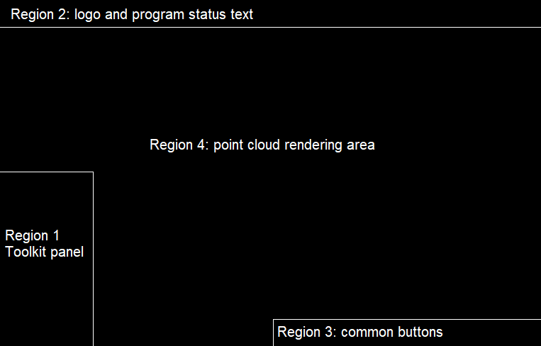

Figure 5. Layout of the 3dviewer screen

3. POINTS RENDER BOUNDARY

Origin display (Viewer camera position)
FOV_V = default FOV
❶ Projection board (PB) is the region4 (solid blue lines __ ), where the point cloud will be projected ❷ A region of interest' (ROI) or 'display region' is the actual region to draw points (red dash lines ---) ❸ PB region is a ROI region when FOV_V have the default value, as simulated in this figure

 |  |  |  |  |  |  |  | Default FOV_V for RealSense D415 : xxx degree
 |  |  |  |  |  |  |  | Default FOV_V for RealSense D435i : xxx degree
 |  |  |  |  |  |  |  | Default FOV_V for TB-TOF-SQ930PU-IV : 70 degree

Origin display (Viewer camera position)
FOV_V > default FOV
When viewer FOV_V larger than default FOV_V value, the ROI larger than PB

Origin display (Viewer camera position)
When viewer FOV_V smaller than default FOV_V value, the ROI smaller than PB
FOV_V < default FOV

Origin display (Viewer camera position)
FOV_V > default FOV
Bounday of 3DViewer display region (THICK-BLACK lines) also the inner edges of the PC display (hardware)
display width
display height

 |  |  |  |  | display width

 |  |  |  |  |  |  |  |  |  | ROI y offset

 | ROI x offset

 |  |  | Region of Interest |  |  |  |  |  |  |  | display height

4. CAMERA DISTANCE

4.1. Camera distance is the distance between Unity camera position to the most far points
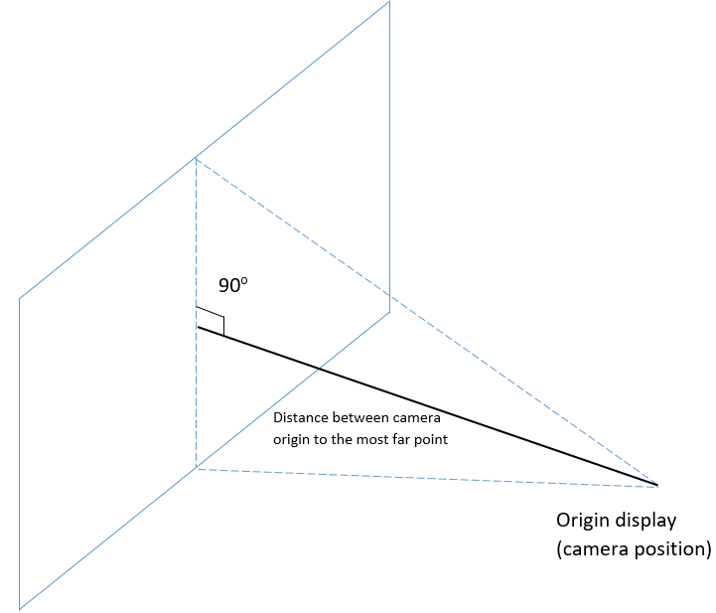

(Viewer Camera position)

Figure 6. Camera distance

4.2. Range of TB-TOF-SQ930PU-IV distance
 | a) In mode 0 (NEAR), the camera distance is 1550 (mm)
 | b) In mode 1 (FAR), the camera distance is 6600 (mm)
 | c) Unity camera distance ranging between 0mm and 6600mm

4.3. Range of RS 415 distance
TBD.

4.4. Range of RS 435i distance
TBD.

5. ZOOM

5.1. To zoom = to change FOV
5.2. Zoom in = decrease FOV
5.3. Zoom out = increase FOV
5.3. FOV range [1, 150]

6. DOLLY MOVE
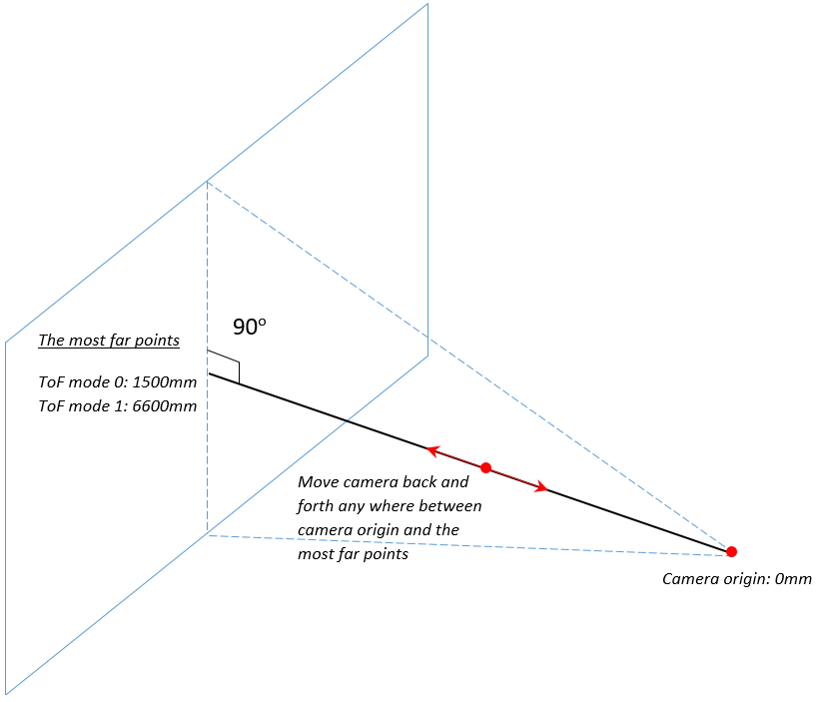

The most far points:
TB-TOF-SQ930PU-IV: 1500mm (NEAR), 6600mm (FAR)
RealSense: depending on each frame

FOV_V (same)

FOV_V

Viewer Camera origin: 0mm

Figure 7. Camera distance: move camera back and forth

6.1. 'Dolly move': move camera back and forth anywhere between camera origin and the most far points
6.2. 'Dolly in': move camera approaching the far points
6.3. 'Dolly out': move camera back to the 0mm position

7. FOV & CAMERA DISTANCE RELATIONSHIP

7.1 When moving camera back and forth, the FOV stay the same
7.2 When changing FOV value, the camera distance stay the same

8. TRUCK AND PEDESTAL MOVE (LEFT RIGHT UP DOWN)
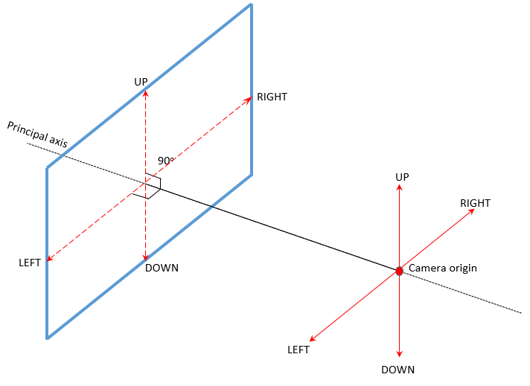

Viewer Camera origin

Figure 8. Move camera left right up down

8.1. Principal axis is an principal axis of the camera system (see the above figure for easy understanding)
8.2. LEFT RIGHT UP DOWN axes is on the same plane
8.3. LEFT and principal axis formed an 90 degree angle
8.4. RIGHT and principal axis formed an 90 degree angle
8.5. UP and principal axis formed an 90 degree angle
8.6. DOWN and principal axis formed an 90 degree angle
8.7. UP-DOWN amd LEFT-RIGHT formed an 90 degree angle

9. PAN AND TILT MOVE
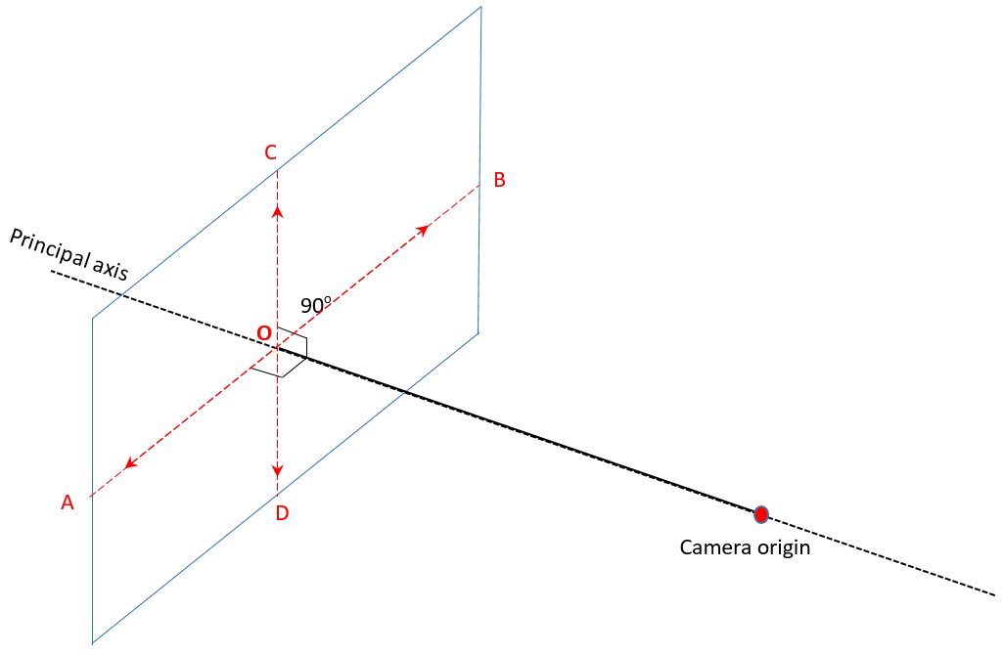

Viewer Camera origin

Figure 9. Pan and tilt move direction

9.1. Pan and tilt move is the actions of moving camera orientation while keeping camera position
9.2. Camera principal axis can be moved in this range [A, B] [C, D] as boundary, wile 'Viewer camera' did not change the position
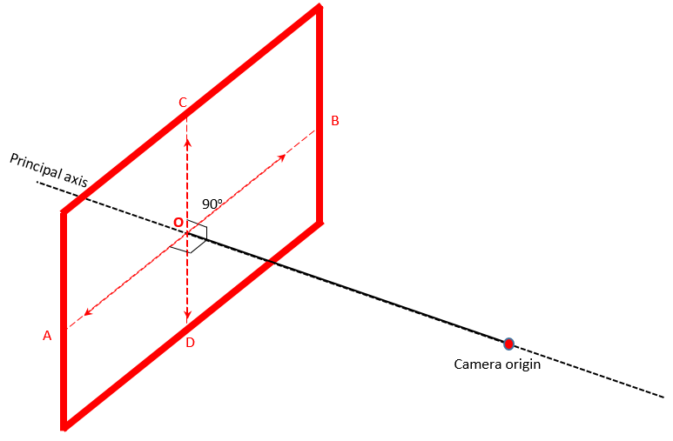

Viewer Camera origin

Figure 8. Moving range of the principal axis

8.3. As a result of 8.2, the principal axis can be only moved within the THICK-RED region as in the figure 8 above

Figure 10. THICK RED region is the boundary for point cloud of pan and tilt move

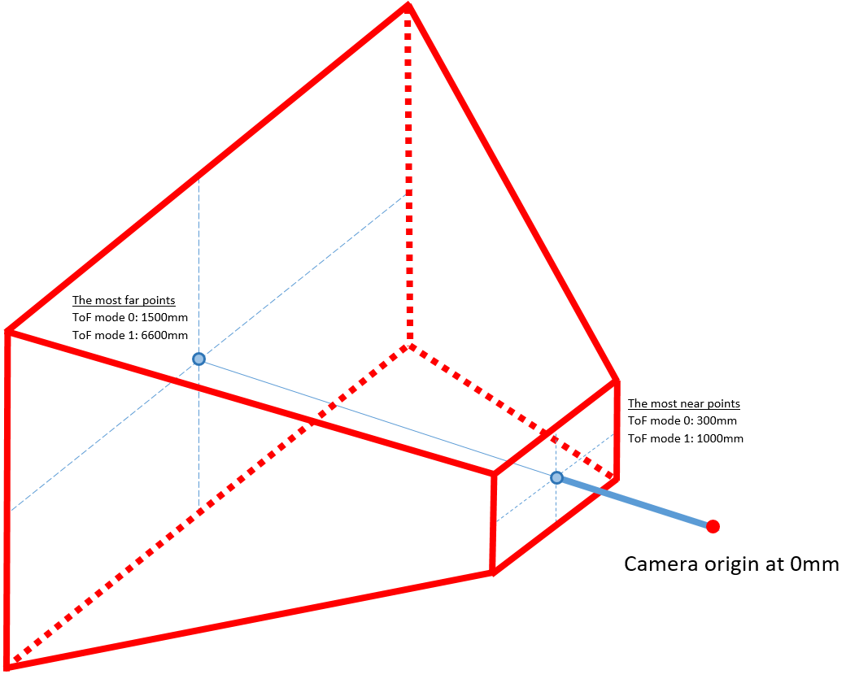
10. POINT CLOUD INDICATION AREA
10.1. Point cloud indicator for TB-TOF-SQ930PU-IV TED ToF camera

Figure 11. Point cloud indication area for TB-TOF-SQ930PU-IV camera
- Point cloud area is an volume space a inside the THICK-RED region of the figure9
- The most near points is at 300mm if ToF running in mode 0 (NEAR)
- The most far points is at 1500mm if ToF running in mode 0 (NEAR)
- The most near points is at 1000mm if ToF running in mode 0 (NEAR)
- The most far points is at 6600mm if ToF running in mode 1 (FAR)
- The point cloud indication area will be drawed as stimulated in the figure 9 above (red line region)

10.2. Point cloud indicator for RealSense D415 camera

TBD.

10.3. Point cloud indicator for RealSense D435i camera

TBD.

11. HOME POSITION

11.1 The FOV will reset to default
11.2 The camera distance will be at 0mm
11.3 The camera principal axis will be lying at O (see figure 8)
11.4 The camera origin will be reset to 0mm

 |  |  |  |  |  |  |  |  |  |  |  | - the end -

② 3DV screen
3DViewer
User Interface Specification
Last update on September 23, 2020 by FPGA/Vu

INTRODUCTION
1) This specification is about user interface design for 3DV of the TFLIB v1.1, most parts inherited from the design idear of the TFLIB v1.0
2) The design focus on layout and logic for fast acquisition on idea being implementing
3) The UX design (color, style,..) included in current specification
4) The detail description text not included in current specification fully
5) This design support for 3 camera type: TB-TOF-SQ930PU-IV, Realsense D415, Realsense D435i

SCREEN UI-1: TOOLKIT BUTTON
a) The toolkit button use to open the Toolkit menu
b) Next to the toolkit button is the x button use to reset all setting to default

 | show main toolkit menu

toolkit |  |  | × |  |  | reset all settings

SCREEN UI-2: RESET ALL SETTINGS
c) this ui giving a notify when user click the x button next to the toolkit panel
d) press ESC key in the main screen will show this ui also
e) when this UI displayed, press ESC again to cancel (similar to No button)

Reset all settings

 | Do you really want to reset all settings to default?

 | Yes

 | No

SCREEN UI-3: TOOLKIT MENU REGION

 | menu region

SCREEN UI-4: TOOLKIT MENU REGION: × button
a) every menu toolkit panel have the x button in the bottom
b) the x button of the panel use to hide the panel

 | click × to hide

×

SCREEN UI-5: TOOLKIT MENU REGION: ← button
c) toolkit panel have the ← back button
d) the ← button of the panel use to go back to the menu panel

 | click ← to back

←

SCREEN UI-6: HOME, PAN AND TILT BUTTONS
a) there are another buttons in the bottom of the 3DViewer screen
b) [Home] button to reset the view, bring the view to the front end
c) [pan and tilt] button to do an automatic pan and tilt move for the 3DViewer

toolkit |  |  | × |  |  |  |  |  |  |  |  |  |  | Home |  | pan and tilt

SCREEN UI-7: TOOLKIT MENU
a) this toolkit menu hold all menu item ui for user can access almost 3DV features
b) press ESC key in this menu to hide the toolkit menu

TOOLKIT MENU

 |  | TOOLKIT MENU

 |  | ◦ Control ToF camera

 |  | ◦ Depth Histogram

 |  | ◦ Help Text

 |  | ◦ Measure with 3D Ruler

 |  | ◦ Noise

 |  | ◦ Snapshoot

 |  | ◦ TFLIB: Filter X

 |  | ◦ TFLIB: Filter Y

 |  | ◦ TFLIB: Filter Z

 |  | ◦ TFLIB: People Detection

 |  | ◦ TFLIB: Volume and Area

 |  | ◦ View preferences

 |  | ◦ Visualize point cloud
×

SCREEN UI-8: NOISE

NOISE

 |  | NOISE

 |  | Sensitive level
 |  | ──────────────‖───

 |  | ( ▪ ) Remove noise
 |  | ( ▪ ) Remove non-noise
 |  | ( ▪ ) Highlight noise

 |  |  |  |  |  |  | Reset

←

SCREEN UI-9: VISUALIZE POINT CLOUD

VISUALIZE POINT CLOUD

 |  | VISUALIZE POINT CLOUD

 |  | Point size
 |  | ( ▪ ) Small
 |  | ( ▪ ) Normal
 |  | ( ▪ ) Large

 |  | Point color
 |  | ( ▪ ) IR densitive |  |  |  |  |  |  |  |  | ß | For TB-TOF-SQ930PU-IV: IR densitive
 |  | ( ▪ ) Rainbow |  |  |  |  |  |  |  |  |  | For RealSense D415, D435i: RealSense RGB
 |  | ( ▪ ) Grayscale

 |  | Display range
 |  | ( ▪ ) Auto
 |  | ( ▪ ) Manual

 |  | ──────────‖─── |  |  |  |  |  |  | mm

 |  | ──‖─────────── |  |  |  |  |  |  | mm

 |  |  |  |  |  |  | Reset

←

SCREEN UI-10: advice text when display range switched to Manual

 |  |  |  |  |  |  |  |  |  | ※Turn on histogram for easier adjustment

SCREEN UI-11: DEPTH HISTOGRAM

DEPTH HISTOGRAM

 |  | DEPTH HISTOGRAM

 |  | ( ▪ ) Hide
 |  | ( ▪ ) Small
 |  | ( ▪ ) Large

 |  | step |  |  | mm |  | Apply

 |  |  |  |  |  |  | Reset

 |  | [ √ ] Include depth legend
←

SCREEN UI-12: DEPTH HISTOGRAM (HIDE)

DEPTH HISTOGRAM

 |  | DEPTH HISTOGRAM

 |  | ( ▪ ) Hide
 |  | ( ▪ ) Small
 |  | ( ▪ ) Large

 |  | step |  |  | mm |  | Apply

 |  |  |  |  |  |  | Reset

 |  | [ √ ] Include depth legend
←

SCREEN UI-13: FILTER X (ON)

FILTER X

 |  | FILTER X |  |  |  |  |  |  | I

 |  | Any points fall within below x ranges will be filter out from the point cloud data

 |  | [ √ ] range 1
 |  | ─────────‖─── |  |  |  |  |  |  | mm

 |  | ─────────‖─── |  |  |  |  |  |  | mm
 |  | [ √ ] range 2
 |  | ─‖─────────── |  |  |  |  |  |  | mm

 |  | ─────────‖─── |  |  |  |  |  |  | mm

 |  |  |  |  |  |  | Reset

←

SCREEN UI-14: FILTER X (OFF)

FILTER X

 |  | FILTER X |  |  |  |  |  | O

 |  | Any points fall within below x ranges will be filter out from the point cloud data

 |  | [ √ ] range 1
 |  | ─────────‖─── |  |  |  |  |  |  | mm

 |  | ─────────‖─── |  |  |  |  |  |  | mm
 |  | [ √ ] range 2
 |  | ─‖─────────── |  |  |  |  |  |  | mm

 |  | ─────────‖─── |  |  |  |  |  |  | mm

 |  |  |  |  |  |  | Reset

←

SCREEN UI-15: FILTER Y (ON)

FILTER Y

 |  | FILTER Y |  |  |  |  |  |  | I

 |  | Any points fall within below y ranges will be filter out from the point cloud data

 |  | [ √ ] range 1
 |  | ─‖─────────── |  |  |  |  |  |  | mm

 |  | ─────────‖─── |  |  |  |  |  |  | mm
 |  | [ √ ] range 2
 |  | ─‖─────────── |  |  |  |  |  |  | mm

 |  | ─────────‖─── |  |  |  |  |  |  | mm

 |  |  |  |  |  |  | Reset

←

SCREEN UI-16: FILTER Y (OFF)

FILTER Y

 |  | FILTER Y |  |  |  |  |  | O

 |  | Any points fall within below y ranges will be filter out from the point cloud data

 |  | [ √ ] range 1
 |  | ─‖─────────── |  |  |  |  |  |  | mm

 |  | ─────────‖─── |  |  |  |  |  |  | mm
 |  | [ √ ] range 2
 |  | ─‖─────────── |  |  |  |  |  |  | mm

 |  | ─────────‖─── |  |  |  |  |  |  | mm

 |  |  |  |  |  |  | Reset

←

SCREEN UI-17: FILTER Z (ON)

FILTER Z

 |  | FILTER Z |  |  |  |  |  |  | I

 |  | Any points fall within below z ranges will be filter out from the point cloud data

 |  | [ √ ] range 1
 |  | ─‖─────────── |  |  |  |  |  |  | mm

 |  | ─────────‖─── |  |  |  |  |  |  | mm
 |  | [ √ ] range 2
 |  | ─‖─────────── |  |  |  |  |  |  | mm

 |  | ─────────‖─── |  |  |  |  |  |  | mm

 |  |  |  |  |  |  | Reset

←

SCREEN UI-18: FILTER Z (OFF)

FILTER Z

 |  | FILTER Z |  |  |  |  |  | O

 |  | Any points fall within below z ranges will be filter out from the point cloud data

 |  | [ √ ] range 1
 |  | ─‖─────────── |  |  |  |  |  |  | mm

 |  | ─────────‖─── |  |  |  |  |  |  | mm
 |  | [ √ ] range 2
 |  | ─‖─────────── |  |  |  |  |  |  | mm

 |  | ─────────‖─── |  |  |  |  |  |  | mm

 |  |  |  |  |  |  | Reset

←

SCREEN UI-18: SNAPSHOOT

SNAPSHOOT

 |  | SNAPSHOOT

 |  | PLY save type
 |  | ( ▪ ) XYZ |  |  |  |  | Save
 |  | ( ▪ ) XYZ RGB

 |  | Action
 |  | Record |  |  |  |  | REC

 |  | Replay |  |  |  |  | Load

 |  | [ √ ] Repeat automatically
 |  | [ √ ] Explore file after saved
←

SCREEN UI-19: REPLAY SCREEN (PLAYING)

 |  |  | ────────────────────|──────────────────────────
 |  |  | [ ■ Stop ] [ Pause ] |  |  |  |  |  |  |  |  |  | frame no. 1/12356

SCREEN UI-20: REPLAY SCREEN (PAUSED)

 |  |  | ────────────────────|──────────────────────────
 |  |  | [ ■ Stop ] [ Resume ] |  |  |  |  |  |  |  |  |  | frame no. 1/12356

SCREEN UI-21: REPLAY FINISHED
This UI will be displayed when:
1) the 3DV finished the replay
2) the [Stop] button clicked during replaying

Replay finished

 | What do you want for now?

 | Replay |  |  |  |  |  |  |  |  |  | → | Click this button to replay

 | Replay and loop |  |  |  |  |  |  |  |  |  | → | Click this button to replay and loop

 | Load another REC |  |  |  |  |  |  |  |  |  | → | Click this button to load another rec file

 | Switch to 3DS stream |  |  |  |  |  |  |  |  |  | → | Switch to 3DS stream

 | Exit application |  |  |  |  |  |  |  |  |  | → | Exit 3DV

SCREEN UI-22: 3DV recording indicator
 |  |  |  |  |  |  |  |  |  |  |  |  |  |  |  |  |  |  | this indicator will blinking during recording
 |  |  |  |  |  |  |  |  |  |  |  |  |  |  |  |  |  | â
Regions of Point cloud and UI display
● REC

Toolkit

 |  |  |  | Add bookmark

SCREEN UI-23: ADD BOOKMARK

Add bookmark

 | Enter bookmark text

 |  |  |  |  |  |  |  |  |  |  | 1) show this UI when recording
 |  |  |  |  |  |  |  |  |  |  | 2) user can input comment for the current frame
 |  |  |  |  |  |  |  |  |  |  | 3) the comment counter: 'total …'
 |  |  |  |  |  |  |  |  |  |  | 4) don’t display 'total 0'

 | Total 10 |  |  |  |  |  | Save

SCREEN UI-24: POINT PICKER
1) Point picker only operated when it is turned on and the point cloud is in front view (HOME)
2) Turn on point picker feature in the [View Preferences] toolkit panel

 |  |  |  |  |  |  |  |  |  |  |  |  |  |  |  |  | 1500
 |  |  |  |  |  |  |  |  |  | cursor

 |  |  |  |  |  |  |  |  |  |  |  |  |  |  | 1200

 |  |  |  |  |  |  |  |  |  |  |  |  |  |  |  |  | 300
 |  |  |  |  |  |  |  |  |  |  |  |  |  |  |  | mm

SCREEN UI-24: POINT PICKER (CONT.)
3) Indicate the depth legend when depth value under cursor is below display range

 |  |  |  |  |  |  |  |  |  |  |  |  |  |  |  |  | 1500
 |  |  |  |  |  |  |  |  |  | cursor

 |  |  |  |  |  |  |  |  |  |  |  |  |  |  | below 300

 |  |  |  |  |  |  |  |  |  |  |  |  |  |  |  |  | 300
 |  |  |  |  |  |  |  |  |  |  |  |  |  |  |  | mm

SCREEN UI-24: POINT PICKER (CONT.)
4) Indicate the depth legend when depth value under cursor is above display range

 |  |  |  |  |  |  |  |  |  |  |  |  |  |  | above 1500 |  | 1500

 |  |  |  |  |  |  |  |  |  |  | cursor

 |  |  |  |  |  |  |  |  |  |  |  |  |  |  |  |  | 300
 |  |  |  |  |  |  |  |  |  |  |  |  |  |  |  | mm

SCREEN UI-24: POINT PICKER (CONT.)
5) Display underlying point information under cursor location

 |  |  |  |  |  |  |  |  |  |  |  |  |  |  | above 1500 |  | 1500
 |  |  |  |  | Point Cloud (mm)
 |  |  |  |  | x: <value>
 |  |  |  |  | y: <value>
 |  |  |  |  | z: <value>
 |  |  |  |  | Sensor Pixels
 |  |  |  |  | x: <0-639>
 |  |  |  |  | y: <0-479> |  |  |  |  |  |  |  |  |  |  |  | 300
 |  |  |  |  | depth: <value> |  |  |  |  |  |  |  |  |  |  | mm

SCREEN UI-24: POINT PICKER (CONT.)
6) Also display people detection information when posible

 |  |  |  |  |  |  |  |  |  |  |  |  |  |  | above 1500 |  | 1500
 |  |  |  |  | Point Cloud (mm)
 |  |  |  |  | x: <value>
 |  |  |  |  | y: <value>
 |  |  |  |  | z: <value>
 |  |  |  |  | Sensor Pixels
 |  |  |  |  | x: <0-639>
 |  |  |  |  | y: <0-479> |  |  |  |  |  |  |  |  |  |  |  | 300
 |  |  |  |  | depth: <value> |  |  |  |  |  |  |  |  |  |  | mm
 |  |  |  |  | Detect People
 |  |  |  |  | people: <n>
 |  |  |  |  | height: <value> m

SCREEN UI-25: 3D RULER (ON)

3D RULER

 |  | 3D RULER |  |  |  |  |  |  | I

 |  | Rotation movement

 |  | x axis |  | ↑ | ↓ |  |  | degree

 |  | y axis |  | ← | → |  |  | degree

 |  | z axis |  | ↺ | ↻ |  |  | degree

 |  | Translation movement

 |  | dx |  | + | ─ |  |  | mm

 |  | dy |  | + | ─ |  |  | mm

 |  | dz |  | + | ─ |  |  | mm

 |  | Area settings

 |  | block size |  |  |  |  |  | mm

 |  | width |  |  |  |  |  | block

 |  | height |  |  |  |  |  | block

 |  | Movement step unit

 |  | Rotation |  |  |  |  |  | degree |  |  |  | step max 45 degree

 |  | Translation |  |  |  |  |  | mm |  |  |  | step max 999 mm

 |  | [ √ ] Draw ruler axis

 |  |  |  |  |  |  | Reset

←

SCREEN UI-26: 3D RULER (OFF)

3D RULER

 |  | 3D RULER |  |  |  |  |  | O

 |  | Rotation movement

 |  | x axis |  | ↑ | ↓ |  |  | degree

 |  | y axis |  | ← | → |  |  | degree

 |  | z axis |  | ↺ | ↻ |  |  | degree

 |  | Translation movement

 |  | dx |  | + | ─ |  |  | mm

 |  | dy |  | + | ─ |  |  | mm

 |  | dz |  | + | ─ |  |  | mm

 |  | Area settings

 |  | block size |  |  |  |  |  | mm

 |  | width |  |  |  |  |  | block

 |  | height |  |  |  |  |  | block

 |  | Movement step unit

 |  | Rotation |  |  |  |  |  | degree

 |  | Translation |  |  |  |  |  | mm

 |  | [ √ ] Draw ruler axis

 |  |  |  |  |  |  | Reset

←

SCREEN UI-27: VOLUME AND AREA (ON)

VOLUME AND AREA

 |  | VOLUME AND AREA |  |  |  |  |  |  | I

 |  | Display in
 |  | ( ▪ ) meter
 |  | ( ▪ ) centimeter
 |  | ( ▪ ) milimeter

 |  | Cube properties

 |  | height |  |  |  |  | cm

 |  | width |  |  |  |  | cm

 |  | depth |  |  |  |  | cm

 |  | area |  |  |  |  | cm | 2

 |  | volume |  |  |  |  | cm | 3

 |  | TFLIB execution time: 12 ms

←

SCREEN UI-28: VOLUME AND AREA (OFF)

VOLUME AND AREA

 |  | VOLUME AND AREA |  |  |  |  |  | O

Measure H
Measure W
Measure L

←

SCREEN UI-29: VOLUME AND AREA (DISABLE)

VOLUME AND AREA

 |  | VOLUME AND AREA |  |  |  |  |  | O |  |  | ß | disable this button

 |  | This feature is disabled temporary while PEOPLE DETECTION feature is operating

Measure H
Measure W
Measure L

←

SCREEN UI-30: PEOPLE DETECTION (ON)

PEOPLE DETECTION

 |  | PEOPLE DETECTION |  |  |  |  |  |  | I

 |  | Camera angle |  |  |  |  |  | degree

 |  | Max people

 |  | Detected people number: 0

 |  | Display
 |  | [ √ ] Display human height
 |  | [ √ ] Colorize the human
 |  | [ √ ] Colorize the ground

 |  | TFLIB execution time: 12 ms

 |  |  |  |  |  |  | Reset

←

SCREEN UI-30: PEOPLE DETECTION (OFF)

PEOPLE DETECTION

 |  | PEOPLE DETECTION |  |  |  |  |  | O

 |  | Camera angle |  |  |  | 0 |  | degree

 |  | Max people |  |  |  | 10

←

SCREEN UI-31: PEOPLE DETECTION (CONFIRM ON)

3DViewer

 | Click Yes to start detecting people. For better operation, please make sure no moving objects in the first five seconds.

 |  | Yes

 |  | No

SCREEN UI-32: PEOPLE in various color, GROUND in fixed color



1.79m

1.5m

 |  |  |  |  | GROUND |  |  |  |  |  | PEOPLE 1 |  |  | PEOPLE 2

SCREEN UI-33: PEOPLE DETECTION (DISABLE)
The PEOPLE DETECTION panel will be disable while module Volume and Area operating

PEOPLE DETECTION

 |  | PEOPLE DETECTION |  |  |  |  |  | O |  |  |  | ß | disable this button

 |  | Camera angle |  |  |  | 0 |  | degree

 |  | Max people |  |  |  | 10

 |  | This feature is disabled temporary while VOLUME AND AREA feature is operating

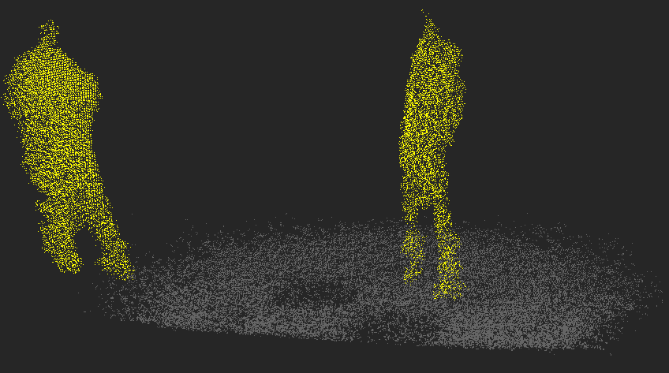

←

SCREEN UI-34: CAMERA SETTINGS (TB-TOF-SQ930PU-IV CAMERA)

CAMERA SETTINGS

 |  | CAMERA SETTINGS

 |  | Mode
 |  | ( ▪ ) 300 - 1000 mm
 |  | ( ▪ ) 1000 - 5000 mm

 |  | Light source
 |  | [ √ ] LED1 |  |  | [ √ ] LED2
 |  | [ ] LED3 |  |  | [ √ ] LED4

 |  | IR gain
 |  | ─────────────‖──── |  |  |  |  |  | 800

 |  | Pulse count
 |  | ──────────‖─────── |  |  |  |  |  | 1200

 |  | Coring threshold
 |  | ─────‖──────────── |  |  |  |  |  | 1000

 |  | [ √ ] Built-in noise reduction

 |  | Status |  |  | . . .

 |  |  |  |  |  |  | Apply

←

SCREEN UI-35: CAMERA SETTINGS (CAMERA REALSENSE D415, D435i)

CAMERA SETTINGS

 |  | CAMERA SETTINGS

 |  | Resolution output
 |  | ( ▪ ) VGA 640 x 480
 |  | ( ▪ ) HD 1280 x 720

 |  | Emitter (light source)
 |  | ( ▪ ) Auto ( ▪ ) On ( ▪ ) Off |  |  |  |  |  |  |  |  | If Auto/Off selected, then disable Laser power

 |  | Laser power (mW)
 |  | ─────────────‖──── |  |  |  |  |  | 150

 |  | Exposure and gain
 |  | ( ▪ ) Auto exposure ( ▪ ) Manual |  |  |  |  |  |  |  |  | If 'Auto exposure' selected, then disable exposure adjust

 |  | Depth exposure level
 |  | ─────────────‖──── |  |  |  |  |  | 800
 |  | RGB exposure level
 |  | ─────────────‖──── |  |  |  |  |  | 1200
 |  | Depth sensor gain
 |  | ─────────────‖──── |  |  |  |  |  | 800
 |  | RGB sensor gain
 |  | ─────────────‖──── |  |  |  |  |  | 1200

 |  | Status |  |  | yy/mm/dd hh:mm:ss

 |  |  |  |  |  |  | Apply

←

SCREEN UI-36: VIEW PREFERENCES

VIEW PREFERENCES

 |  | VIEW PREFERENCES

 |  | Tools
 |  | [ √ ] Camera axis
 |  | [ √ ] Points indication area
 |  | [ √ ] Enable point picker in front view

 |  | Status text
 |  | [ √ ] Streaming source and I/O
 |  | [ √ ] Processing performance
 |  | [ √ ] Mesh and viewer information

 |  |  |  |  |  |  | Reset

←

SCREEN UI-37: HELP TEXT

HELP TEXT

 |  | HELP TEXT

 |  | Keyboard
 |  | U |  |  |  | Zoom in
 |  | M |  |  |  | Zoom out
 |  | A |  |  |  | Shift left
 |  | D |  |  |  | Shift right
 |  | W |  |  |  | Shift up
 |  | X |  |  |  | Shift down
 |  | E |  |  |  | Dolly in
 |  | C |  |  |  | Dolly out
 |  | ESC |  |  |  | Back to toolkit menu
 |  | Home |  |  |  | Reset view to home

 |  | Mouse
 |  | Scroll up |  |  |  | Dolly in
 |  | Scroll down |  |  |  | Dolly out
 |  | Dragging |  |  |  | Rotate

 |  | 3D Ruler
 |  | Keypad 1 or 3 |  |  |  | Rotate on ruler x
 |  | Keypad 7 or 9 |  |  |  | Rotate on ruler y
 |  | Keypad + or - |  |  |  | Rotate on ruler z
 |  | Ctrl + up |  |  |  | Increase block unit
 |  | Ctrl + down |  |  |  | Decrease block unit

 |  | Browse to the log file
←

SCREEN UI-38: status text while displaying point cloud
 |  |  |  |  |  |  |  |  |  |  |  |  | Status text region
NIR image or Point Cloud

 |  | Streaming source 3DS Server/DEPTH & IR, ip:port 127.0.0.1:82, network 70Mbps, received 10.201MB, socket 0 ms
 |  | Processing 5bps, rendering 14.5fps, depth2pcd 20ms, apply color 12ms, data convert 1ms, noise 10ms
 |  | Point size Normal, Color Rainbow, FOV_V 70 degree

SCREEN UI-39: Display NIR image when 3DS/ToF is in IR mode

NIR image
 |  | Streaming source 3DS Server/IR, ip:port 127.0.0.1:82, network 70Mbps, received 10.201MB, socket 0 ms
 |  | Processing 5bps, rendering 14.5fps
 |  | Points Flat/Normal, FOV_V 70 degree

toolkit |  |  | × |  |  |  |  |  |  |  |  |  |  |  |  | Force 3DS to DEPTH mode

SCREEN UI-40: 3DV toolkit menu when 3DS/ToF is in IR mode

TOOLKIT MENU

 |  | TOOLKIT MENU

 |  | ◦ Control ToF camera

 |  | ◦ Depth Histogram

 |  | ◦ Help Text

 |  | ◦ Measure with 3D Ruler

 |  | ◦ Noise

 |  | ◦ Snapshoot

 |  | ◦ TFLIB: Filter X

 |  | ◦ TFLIB: Filter Y

 |  | ◦ TFLIB: Filter Z

 |  | ◦ TFLIB: People Detection

 |  | ◦ TFLIB: Volume and Area

 |  | ◦ View preferences

 |  | ◦ Visualize point cloud
×

SCREEN UI-41: [Snapshoot] panel when 3DS/ToF is in IR mode

SNAPSHOOT

 |  | SNAPSHOOT |  |  |  |  |  |  |  |  |  | Disabled items:
 |  |  |  |  |  |  |  |  |  |  |  | 1) PLY save type
 |  | PLY save type |  |  |  |  |  |  |  |  |  | 2) Action/Record
 |  | ( ▪ ) XYZ |  |  |  |  | Save |  |  |  |  | 3) Explore file after saved
 |  | ( ▪ ) XYZ RGB
 |  |  |  |  |  |  |  |  |  |  |  | ※ User can't interact with disabled items
 |  | Action
 |  | Record |  |  |  |  | REC

 |  | Replay |  |  |  |  | Load

 |  | [ √ ] Repeat automatically
 |  | [ √ ] Explore file after saved
←

SCREEN UI-42: [Viewer Preferences] when 3DS/ToF is in IR mode

VIEW PREFERENCES

 |  | VIEW PREFERENCES

 |  | Tools |  |  |  |  |  |  |  |  |  | ß | disable Tools/.. option
 |  | [ √ ] Camera axis
 |  | [ √ ] Points indication area
 |  | [ √ ] Enable point picker in front view

 |  | Status text
 |  | [ √ ] Streaming source and I/O
 |  | [ √ ] Processing performance
 |  | [ √ ] Mesh and viewer information

 |  |  |  |  |  |  | Reset

←

SCREEN UI-43: show message when 2DS applying ToF params

NIR image or Point Cloud
2DS applying new ToF params.
Please wait...
\

SCREEN UI-44: show TFLIB return code

NIR image or Point Cloud
TFLIB RETURN CODE

SCREEN UI-45: 3DV show TFLIB expired/error messate

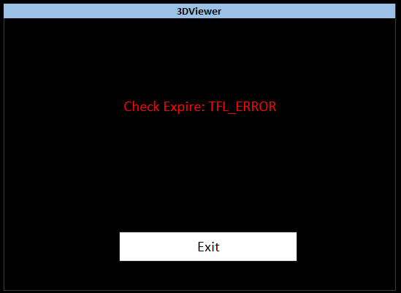

 |  |  |  |  |  |  |  |  |  |  |  |  |  |  |  |  |  | - end -

④ 3D Modeling on 3DV
3D Viewer
3D Modeling feature on 3D Viewer
Last update on October 05, 2020 by FPGA/Cuong

INTRODUCTION
1) This specification is about user interface design for 3D Modeling function (will be included in TFLIB v1.2), most parts inherited from the design idea of the TFLIB v1.1
2) The design focus on layout and logic for fast acquisition on idea being implementing
3) The UX design (color, style,..) included in current specification

SCREEN UI-1: Select TOOLKIT BUTTON
a) The toolkit button use to open the Toolkit menu
b) Next to the toolkit button is the x button use to reset all setting to default

 | show main toolkit menu

toolkit |  |  | ×

SCREEN UI-2: Select 3D MODELING
a) this toolkit menu hold all menu item ui for user can access almost 3DV features
b) Select 3D Modeling on toolkit menu

TOOLKIT MENU

 |  | TOOLKIT MENU

 |  | ◦ 3D Modeling

×

SCREEN UI-3: 3D MODELING (OFF)
a) Down sampling Voxel Size: Voxel size is an important component of image quality. Please refer to 3D Modeling API Specification: https://cb.brycen.co.jp/cgi-bin/cbag/ag.cgi?page=FileView&ffid=580251
b) "Convert to Polygon" allows creating an overlay for 3D model.
Please refer to 3D Modeling API Specifications: https://cb.brycen.co.jp/cgi-bin/cbag/ag.cgi?page=FileView&ffid=580251

3D MODELING

 |  | 3D MODELING |  |  |  |  | O

 |  | Voxel Size |  |  | 0 |  | meter

 |  | [ √ ] | Convert to Polygon
 |  | Voxel Size |  |  | 0 |  | meter

←

SCREEN UI-4: 3D MODELING (ON)
Click Reset button to restart 3D Modeling process

3D MODELING

 |  | 3D MODELING |  |  |  |  |  | I

 |  | Status: |  | Scanning
 |  | Number of frame: 0
 |  | Total time: 0s

 |  |  |  |  |  | Reset

←

SCREEN UI-5: 3D MODELING: CONFIRMATION

3DViewer

 | Click Yes to start scanning

 |  | Yes |  |  |  |  |  |  |  |  | → | Click this button to start process

 |  | No |  |  |  |  |  |  |  |  | → | Click this button to cancel process

SCREEN UI-6: 3D MODELING: NO OBJECT DETECTED
a) This message indicates that no object detected
b) Check object and click Continue button to continue
c) Click Exit button to quit process
Please refer to 3D Modeling API Specifications: https://cb.brycen.co.jp/cgi-bin/cbag/ag.cgi?page=FileView&ffid=580251

3DViewer

No detect object for scanning
Place object into scan area and click 'Continue' to scan
Click the 'Exit' button to exit this application

 |  | Continue |  |  |  |  |  |  | Exit

SCREEN UI-7: 3D MODELING: GENERATING

3DViewer

 | 3D Model generation is in progress. Please wait a moment…

 |  | Cancel |  |  |  |  |  |  |  |  | → | Click this button to cancel current process

SCREEN UI-8: 3D MODELING: FINISH

Scan finished

 | What do you want for now?

 | Save Polygon data |  |  |  |  |  |  |  | → | Click this button to save Polygon data

 | Save Point Cloud data |  |  |  |  |  |  |  | → | Click this button to save Point Cloud data

 | Re-Scan |  |  |  |  |  |  |  | → | Click this button to start new process

 | Back to 3DS server mode |  |  |  |  |  |  |  | → | Click this button to exit 3D Modeling screen

 | Exit application |  |  |  |  |  |  |  | → | Click this button to exit 3D Viewer

SCREEN UI-9: 3D MODELING (DISABLE)
The 3D MODELING panel will be disable while module Volume and Area operating

3D MODELING

 |  | 3D MODELING |  |  |  |  | O |  |  | → | Disable this button

 |  | This feature is disabled temporary while another feature is operating

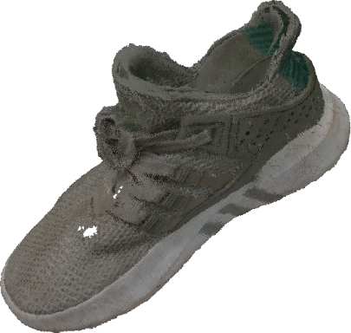

←

 |  |  |  |  |  |  |  |  |  |  |  |  | -end-

⑤ Appendix 1 - 3D Modeling
3DViewer
Appendix 1 - 3D Modeling
Last update on October 05, 2020 by FPGA/Cuong

INTRODUCTION
1) This Appendix describes how to use 3D Modeling API properly and the scope which 3D Modeling API can work well
2) This design support for 3 camera type: TB-TOF-SQ930PU-IV

1. POINT CLOUD AREA
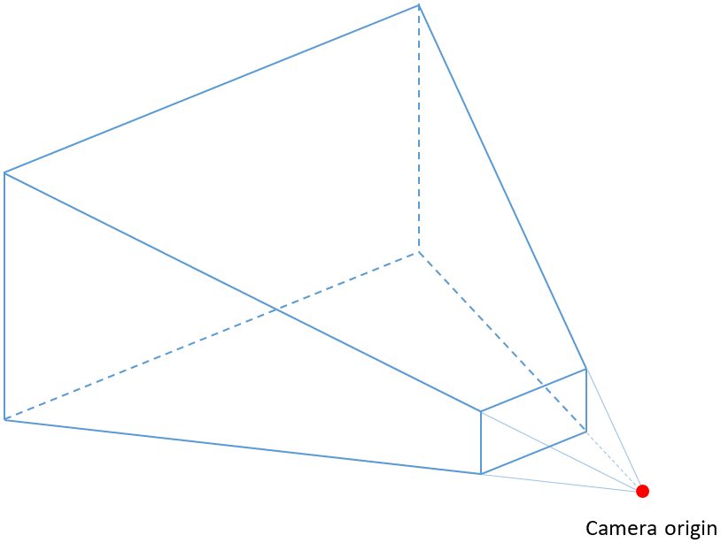

2. OPTIMAL REGION FOR BEST SCANNING RESULT

 | This is preferred viewing area where point cloud data has good quality (less distortion, less noise ...), this area is created by combination of three factors:
 | - The distance from the object to the camera (Principal axis).
 | - Limits object following horizontal (X axis)
 | - Limits object following vertical (Y axis).
 | Detailed parameters will be explain in section 2.1 and 2.2

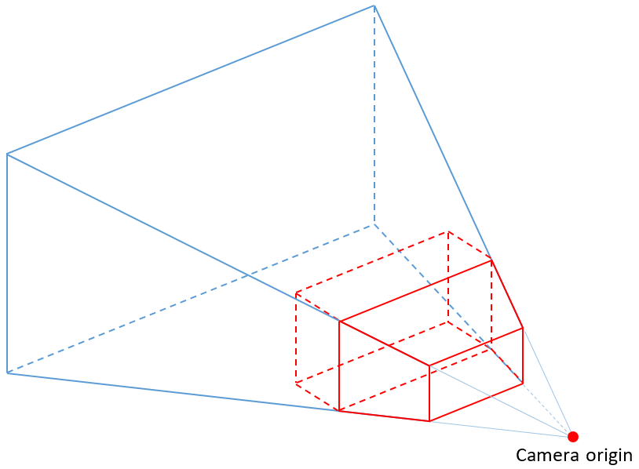

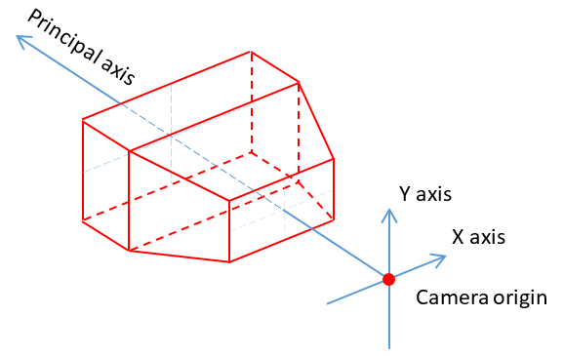

2.1. OPTIMAL REGION FOR BEST SCANNING RESULT FOLLOWING yOz COORDINATE

 | Below figure describes optimal region following Vertical FOV
 | This area is created by combination of Y axis and principal axis.
 | - The distance from the object to the camera (Principal axis) that point cloud data has good quality
 |  | + Z most near from Camera Origin: 300 mm
 |  | + Z most far from Camera Origin: 1000 mm
 | - Limit the width (Y axis) at which point cloud data has good quality
 |  | + Y max at the TOP: 400 mm
 |  | + Y max at the BOTTOM: -400 mm
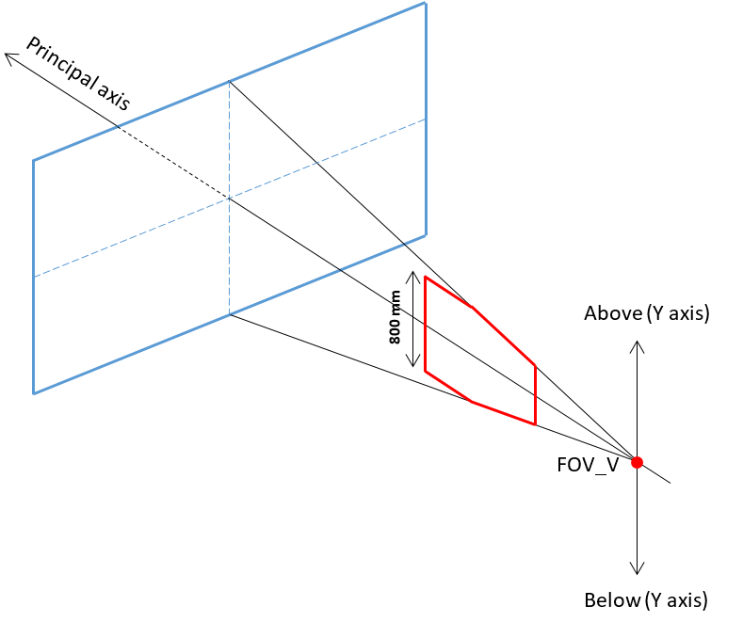

2.2. OPTIMAL REGION FOR BEST SCANNING RESULT FOLLOWING xOz COORDINATE

 | Below figure describes optimal region following Horizontal FOV
 | This area is created by combination of X axis and principal axis.
 | - The distance from the object to the camera (Principal axis) that point cloud data has good quality
 |  | + Z most near from Camera Origin: 300 mm
 |  | + Z most far from Camera Origin: 1000 mm
 | - Limit the height (X axis) at which point cloud data has good quality
 |  | X max on RIGHT side: 750 mm
 |  | X max on LEFT side: -750 mm

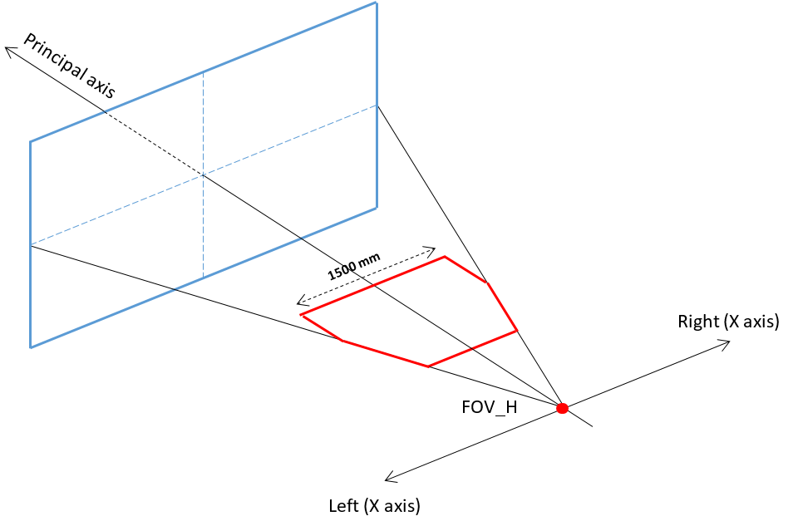

3. OBJECT SCANNING

3.1. CAMERA MODE

3.1.1. LANSDCAPE MODE

 | Used when scanning objects with a greater length or width than the height (Sneaker, luggage…)
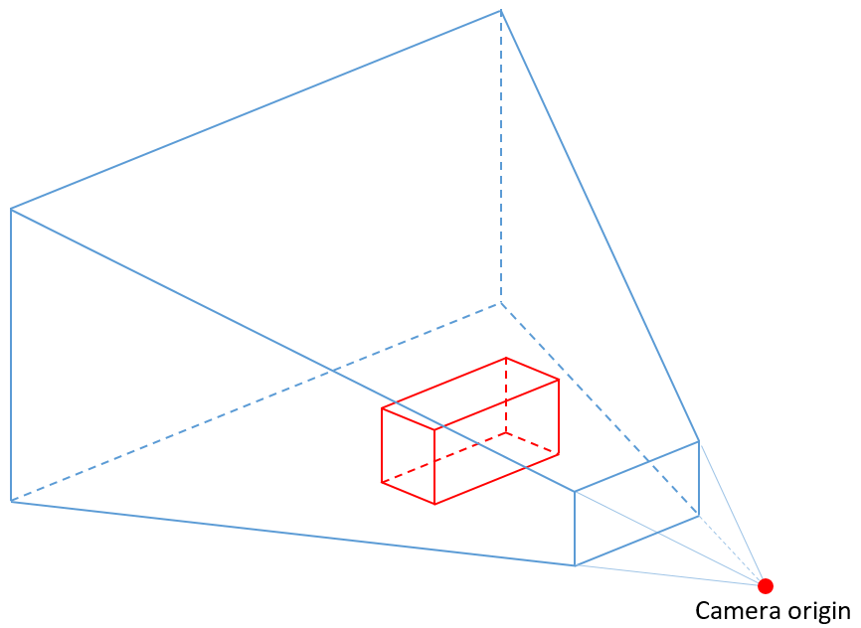

3.1.2. PORTRAIT MODE

 | Used when scanning objects that have a height greater than its width or length ( human…)
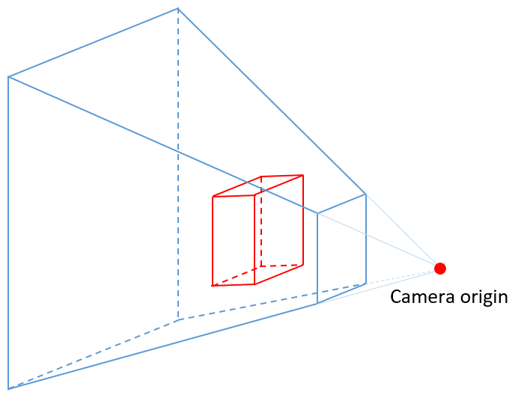

3.2. RECOMMENDED OBJECT SIZE

 | Number of points: T.B.D
 | Therefore, Object size will be determined based on:
 |  | + Distance between object and camera origin
 |  | + Filter size
 | T.B.D

3.3. MOVE RELATIVELY BETWEEN OBJECT AND CAMERA

3.3.1. CAMERA MOVES AROUND THE OBJECT

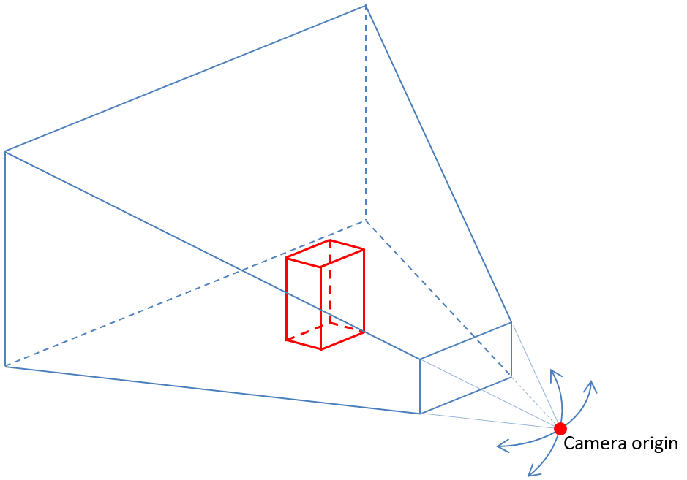

 |  | The object is stationary in place and camera move freely around the object to scan

3.3.2. OBJECT ROTATES IN PLACE

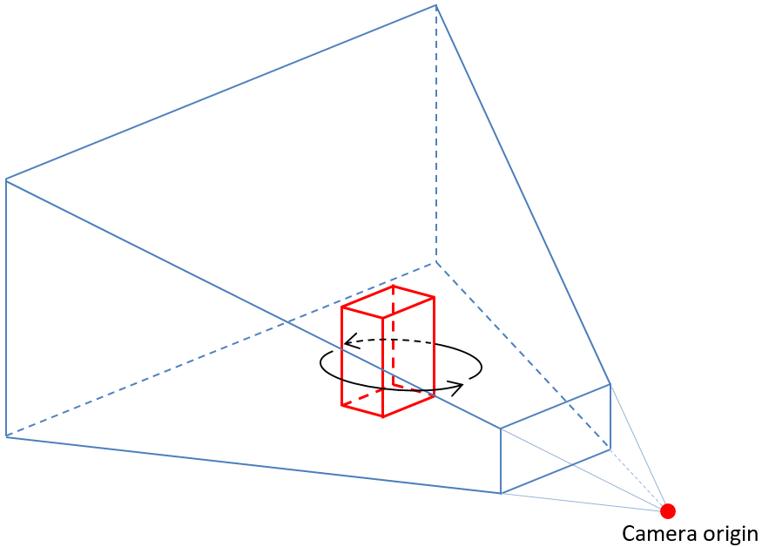

 |  | Camera is stationary in place and object rotates in place to scan

4. ENVIRONMENT SCANNING
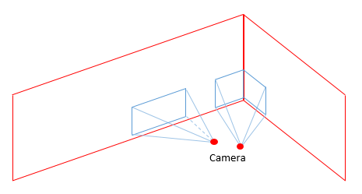

4.1. VOLUME OF ROOM

 | Number of Points: T.B.D
 | T.B.D

4.2. MOVING

 | Please refer to section 5, 7 and 8 in ① 3DV display sheet
 |  |  | -end-

